Figure 1
 | 0.0 mM | 0.75 mM | 1.5 mM | 2.0 mM
0 | 0 | 0 | 0 | 0
2 | 0.20845 | 0.032233333333 | 0.019983333333 | 0.0194
4 | 0.25565 | 0.025466666667 | 0.020433333333 | 0.019833333333
6 | 0.29575 | 0.072533333333 | 0.020033333333 | 0.0205
8 | 0.30895 | 0.17126666667 | 0.019266666667 | 0.019833333333
10 | 0.2633 | 0.2769 | 0.0207 | 0.0204
12 | 0.2523 | 0.2734 | 0.017566666667 | 0.0216
14 | 0.22625 | 0.24646666667 | 0.024033333333 | 0.0206

Figure 2A-Intracellular
AA-2
FA-1
OA-1
AA-3
FA-2
OA-2
AA-3
FA-1

Figure2B-Extracellular
AA-1
OA-2
Sugar-2
OA-1

Figure3
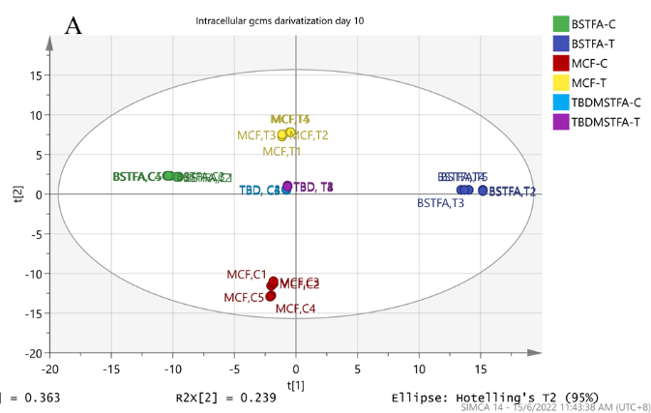
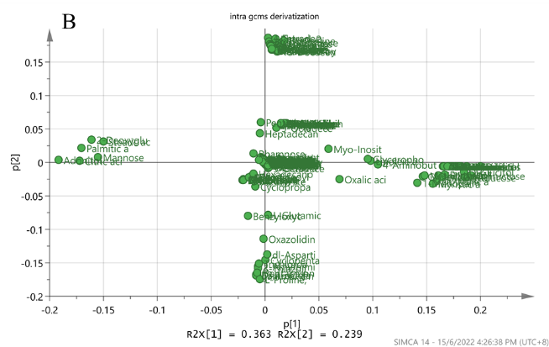

Figure4
